COMPASS
 |  | LISTINO GIUGNO 2016 | LISTINO GIUGNO 2016

 |  |  | Listino Generale Giugno 2026 - Security

 |  |  |  |  | www.compass-distribution.it
 |  |  |  |  |  | Scontistica

 |  |  |  |  |  | BOSCH
 |  |  |  |  |  | Video System | 0%
 | Bosch Security |  |  |  |  | Storage | 0%

 |  |  |  |  |  | Intrusion | 0%
 |  |  |  |  |  | Audio | 0%
 |  |  | VideoSystem | Telecamere IP |  | Access | 0%
 |  |  |  | Telecamere Analogiche
 |  |  | Storage | Storage iSCSI |  | ARTECO
 |  |  |  | Server e Workstation |  | Hardware | 0%
 |  |  |  | Accesori |  | Software | 0%
 |  |  | Intrusion | Sistemi Anti Intrusione |  | Manutenzione | 0%
 |  |  | Audio | Sistemi di Diffusione Sonora

 |  |  |  | Diffusori acustici |  | AXIS Communications | 0%
 |  |  | Access | Controllo Accessi
 | Arteco |  |  |  |  | Hanwha Techwin | 0%


 |  |  |  |  |  | Hikvision | 0%
 |  |  | TVCC | Prodotti Hardware
 |  |  |  | Prodotti Software |  | Honeywell | 0%
 |  |  |  | Manutenzione
 |  AXIS |  |  |  |  | CSA | 0%

 |  |  |  |  |  | Milestone | 0%
 |  |  | TVCC | Telecamere
 |  |  |  | Video encoders |  | Fiamm | 0%
 |  |  |  | Recording Solutions
 |  |  |  | Accessories |  | Videotec | 0%
 | Hanwha Techwin

 |  |  |  |  |  | Cias | 0%

 |  |  | TVCC | Soluzioni IP |  | Notifier | 0%
 |  |  |  | Staffe e accessori IP
 |  |  |  | Soluzioni analogiche |  | A.I. Tech | 0%
 |  |  |  | Staffe e accessori analogiche

 | Milestone


 |  |  | Software | License & SUP
 |  |  | Hardware | husky |  | Listino Sicurezza Compass Security
 | Honeywell |  |  |  |  | Il presente listino è quello ufficiale di vendita.
 |  |  |  |  |  | I prezzi riportati possono variare
 |  |  |  |  |  | senza alcun preavviso in base alla variaizone
 |  |  |  |  |  | dei listini dei relativi produttori.
 |  |  | TVCC | Centrali |  | Tutti i prezzi riportati non includono IVA,
 |  |  | TVCC | Rilevatori & Sirene |  | trasporto e costi accessori.
 | CSA |  |  |  |  | Tutte le offerte, salvo diversamente specificato,
 |  |  |  |  |  | hanno validità 30gg.


 |  |  | Intrusion | Antintrusione
 |  |  | Intrusion | Antincendio |  | Assicurazione

 |  |  |  |  |  | Compass offre un'assicurazione sulla merce
 | Cias |  |  |  |  | senza costi aggiuntivi.
 |  |  |  |  |  | Per saperne di più

 |  |  |  |  |  | vedi le condizioni generali di vendita
 |  |  | Antintrusione | Protezione Perimetrale
 |  |  |  | Barriere
 |  |  |  | Cias Dynamic


 | Fiamm

 |  |  | Batterie | Batterie
 | Notifier



 |  |  | Sist. Antincendio | Sist. Antincendio
 | Videotec


 |  |  | Accessori | Adattatori e Alimentatori
 |  |  |  | Brandeggio e Custodie
 |  |  |  | Illuminatori
 |  |  |  | Telecamere Speciali
 | AITech



 |  |  | Software di Videoanalisi | Software di Videoanalisi

 |  |  |  | Servizi Logistici
 |  |  |  | Modulo di reso
 |  |  |  | Condizioni di reso
 |  |  |  | Condizioni di Vendita

Contatti
VISITA IL NOSTRO SITO!!!

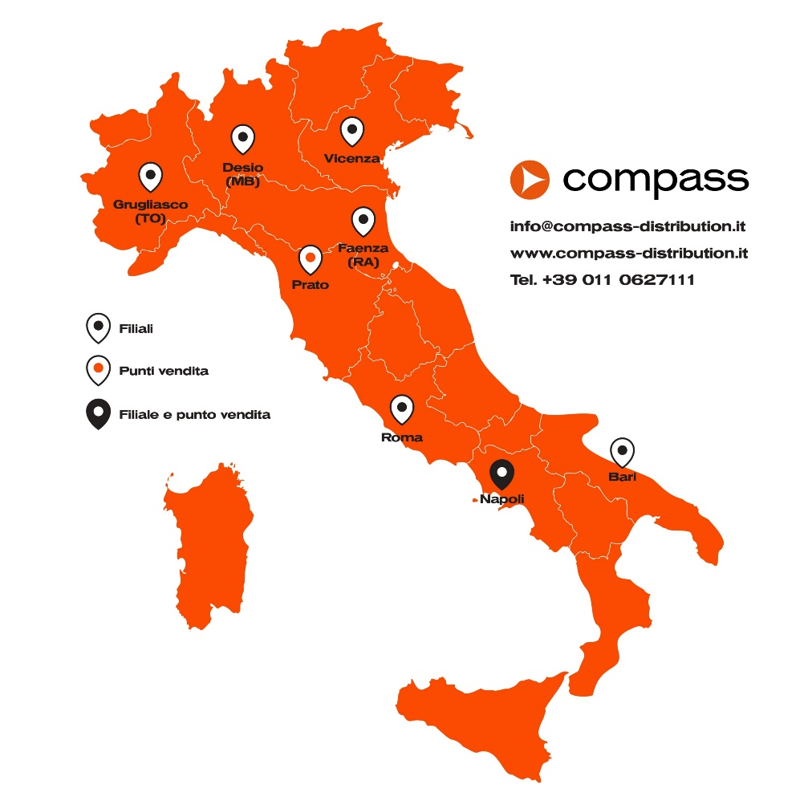

 | TORINO | VICENZA | ROMA
 | Strada del Portone, 159 | Strada di Casale, 175 | Via di Valle Lupara, 10
 | 10095 Grugliasco (TO) | 36100 Vicenza (VI) | 00148 Roma
 | Tel. +39 011 0627111 | Tel. +39 0444 913875 | Tel. +39 06 9075524
 | Fax +39 011 4241155 | Fax +39 0444 913700 | Fax +39 06 9075280

 | MILANO | FAENZA | PRATO
 | Via Vincenzo Monti 74 | Via Gentili,22 | Via Sabadell, 145/1
 | 20832 Desio (MB) | 48018 Faenza (RA) | Zona Ind. Macrolotto 2
 | Tel. +39 02 27307144 | Tel. +39 0546 645711 | 59100 Prato (PO)
 | Fax +39 02 25459101 | Fax +39 0546 645821 | Tel. +39 0574 729184
 |  |  | Fax +39 0574 700804

 | SICILIA | NAPOLI | BARI
 | Sergio Scaffidi | Via Pio La Torre, 7 | Via Volga Pad. 129
 | Cell. 335/307 262 | 80026 Casoria | c/o Impact Hub, Fiera del Levante
 |  | Tel. +39 081 5406493 | 70123 Bari
 |  | Fax +39 081 5406493 | Tel. +39 011 0627171
 |  |  | Fax +39 011 4241155

